Sheet1
ID: | 001
Summary: | Error in SQL syntex when entering unknown symbol
Environment: | Ubuntu, Firefox
Severity: | Trivial
Priority: | Low
Screenshot | 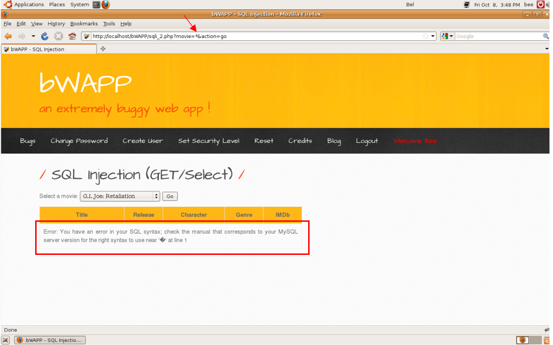
Assignee: | Чистякова Юлия Александровна
Steps to reproduce: | 1. Choose Get/Select to hack
 | 2. Enter symbol ª
 | 3. Click enter
 | 4.
 | 5.
 | 6.
 | 7.
Actual Result: | Error in SQL syntex when entering unknown symbol

Expectected Result: | Error message for unknown symbols

Notes:

ID: | 002
Summary: | No search by year
Environment: | Ubuntu, Firefox
Severity: | Trivial
Priority: | Low
Screenshot | 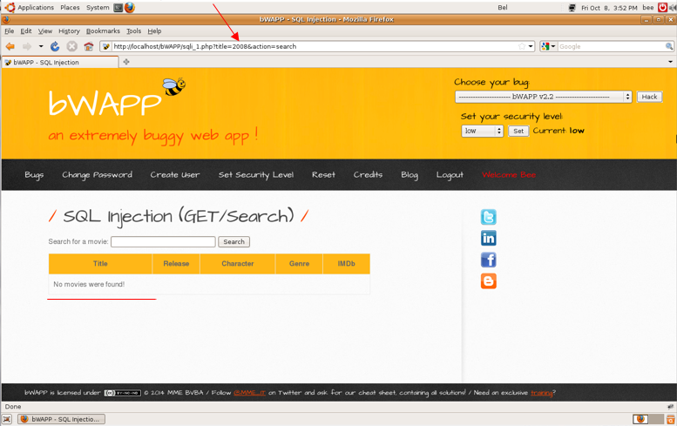
Assignee: | Чистякова Юлия Александровна
Steps to reproduce: | 1. Choose Get/Select to hack
 | 2. Enter symbol year(2008)
 | 3. Click enter
 | 4.
 | 5.
 | 6.
 | 7.
Actual Result: | No results found

Expectected Result: | Error message or results for search by date

Notes:

ID: | 003
Summary: | Unknown symbols are allowed
Environment: | Ubuntu, Firefox
Severity: | Trivial
Priority: | Low
Screenshot | 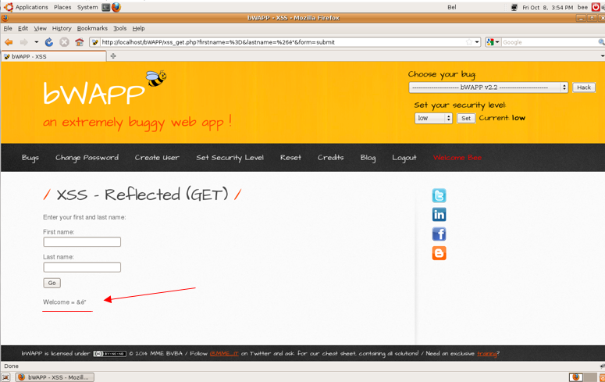
Assignee: | Чистякова Юлия Александровна
Steps to reproduce: | 1. Choose XSS Reflected(Get) to hack
 | 2. Enter in name and last name fields special symbols
 | 3. Click enter
 | 4.
 | 5.
 | 6.
 | 7.
Actual Result: | Special symbols are allowed

Expectected Result: | Error message

Notes:

ID: | 004
Summary: | Numbers and spaces are allowed
Environment: | Ubuntu, Firefox
Severity: | Trivial
Priority: | Low
Screenshot | 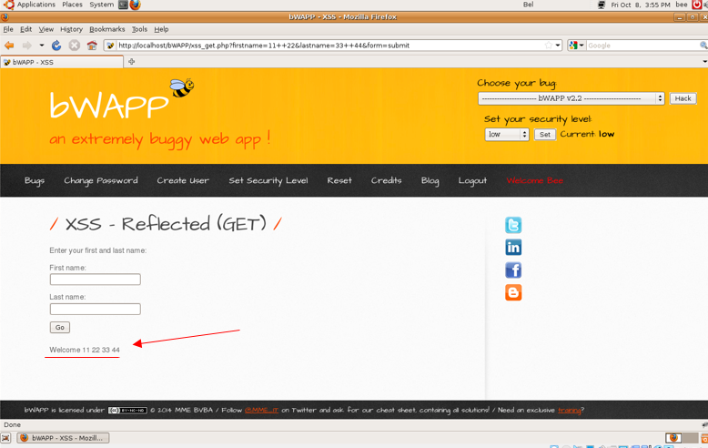
Assignee: | Чистякова Юлия Александровна
Steps to reproduce: | 1. Choose XSS Reflected(Get) to hack
 | 2. Enter name "11 22" and last name "33 44"
 | 3. Click enter
 | 4.
 | 5.
 | 6.
 | 7.
Actual Result: | Name and last name are allowed

Expectected Result: | Error message

Notes:

ID: | 005
Summary: | " and ' are alowed
Environment: | Ubuntu, Firefox
Severity: | Trivial
Priority: | Low
Screenshot | 
Assignee: | Чистякова Юлия Александровна
Steps to reproduce: | 1. Choose Get/Select to hack
 | 2. Enter symbol "
 | 3. Click enter
 | 4.
 | 5.
 | 6.
 | 7.
Actual Result: | No results found

Expectected Result: | Error message

Notes:

